Case #1
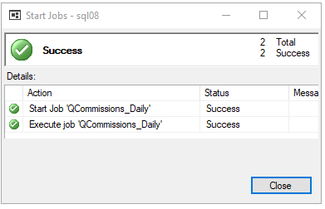
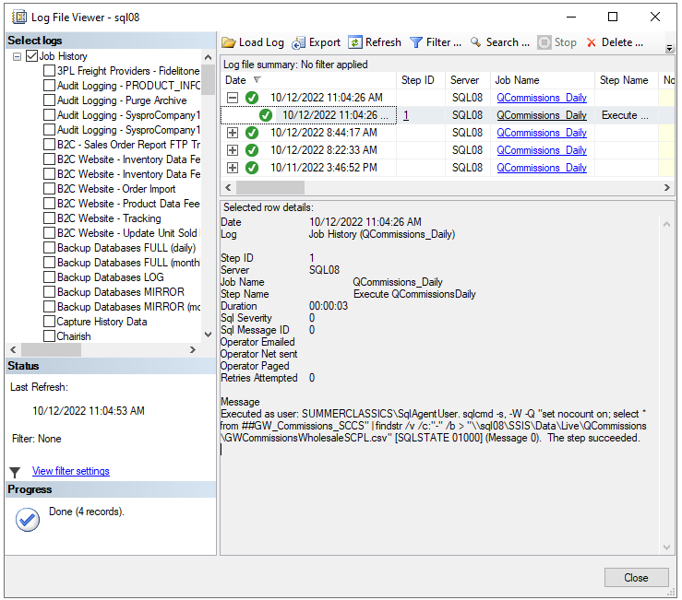
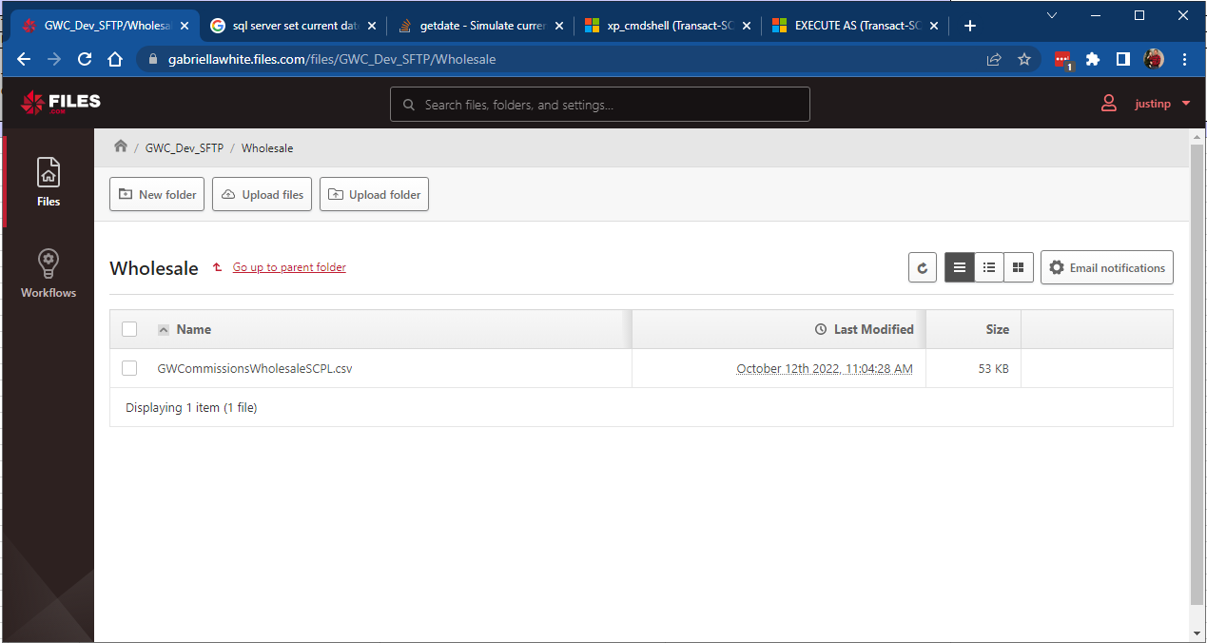
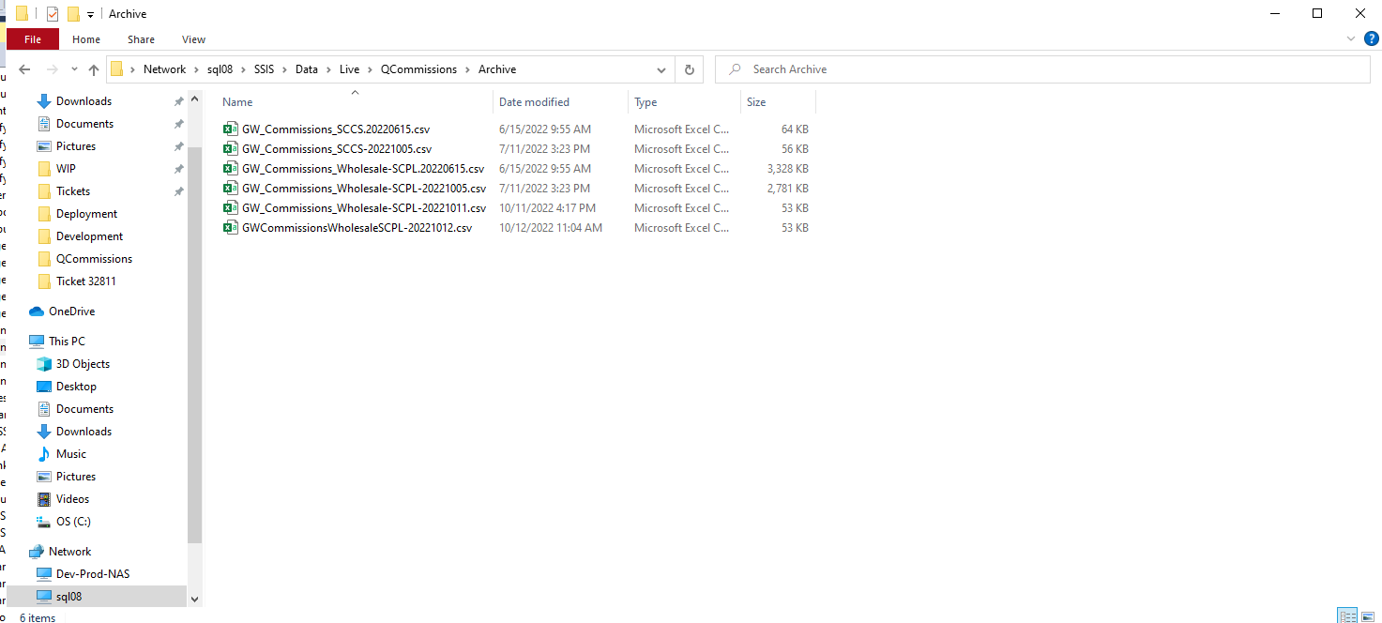
Justin Pope Dev Test
Test Case No. | 1
Process | Test Qcommission_Daily
Test Consideration | 1) sql connections
Test Condition |  | Data Used | How To Verify | Actual Results
Tasks
1 | Run Qcommissions_Daily job | this will query and send the following FTP files: - GW_Commissions_SCCS.csv - GW_Commissions_Wholesale-SCPL.csv | Files will be dropped in \\sql08\SSIS\Data\Live\QCommissions\, SFTP to gabriellawhite.files.com, and placed in \\sql08\SSIS\Data\Live\QCommissions\Archive\ | screen shots to verify
Configuration/Data Setup for Testing Scenario
Verification
 | Shot of the job start and shot of the history of the job running showing success
 | Shot of test SFTP file location with csv file
 | Shot of archive location with file

Test Cast Screens Shots Before and After

Case #2
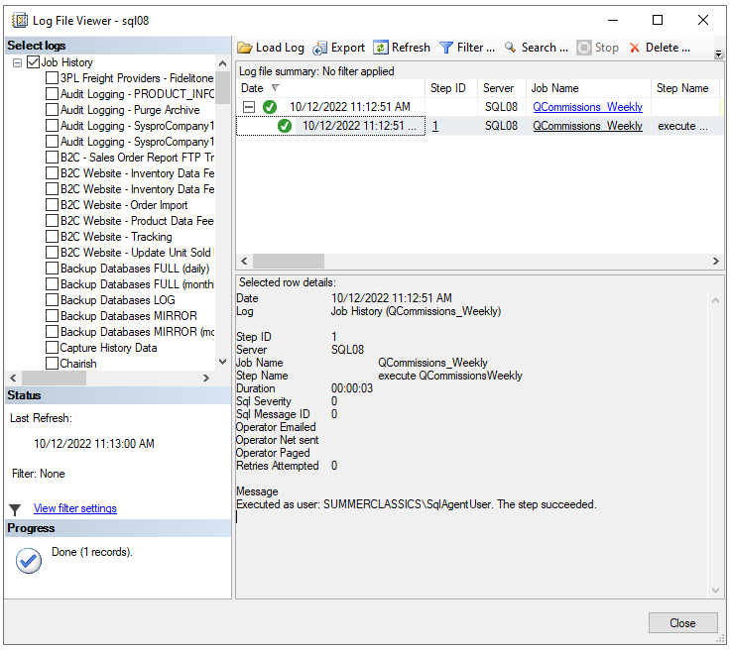
Justin Pope Dev Test
Test Case No. | 2
Process | Test Qcommission_Weekly
Test Consideration | 1) sql connections
Test Condition |  | Data Used | How To Verify | Actual Results
Tasks
1 | Run Qcommissions_Weekly job | this will query and send the following FTP files: - RetailCommission_UnitersPlanSales-BiWeekly.csv - RetailCommission_WrittenSales-BiWeekly.csv | Files will be dropped in \\sql08\SSIS\Data\Live\QCommissions\, SFTP to gabriellawhite.files.com, and placed in \\sql08\SSIS\Data\Live\QCommissions\Archive\ | screen shots to verify
Configuration/Data Setup for Testing Scenario
Verification
 | Shot of job history showing the job ran successfully
 | There is no Dev Data to send so no csv file was created

Test Cast Screens Shots Before and After

Case #3
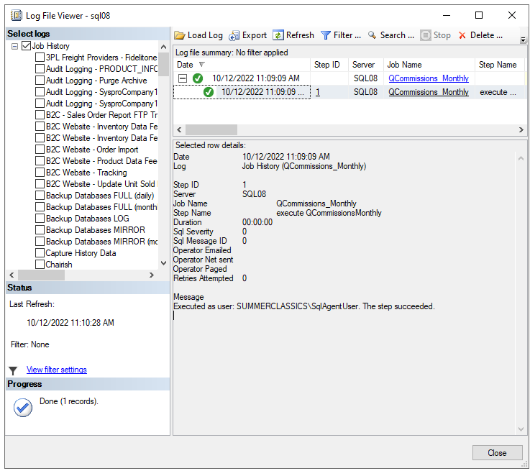
Justin Pope Dev Test
Test Case No. | 3
Process | Test Qcommission_Monthly
Test Consideration | 1) sql connections
Test Condition |  | Data Used | How To Verify | Actual Results
Tasks
1 | Run Qcommissions_Weekly job | this will query and send the following FTP files: - | Files will be dropped in \\sql08\SSIS\Data\Live\QCommissions\, SFTP to gabriellawhite.files.com, and placed in \\sql08\SSIS\Data\Live\QCommissions\Archive\ | screen shots to verify
Configuration/Data Setup for Testing Scenario
Verification
 | Shot of job history showing the job ran successfully
 | There is no Dev Data to send so no csv file was created

Test Cast Screens Shots Before and After

